6a. Approvals README First
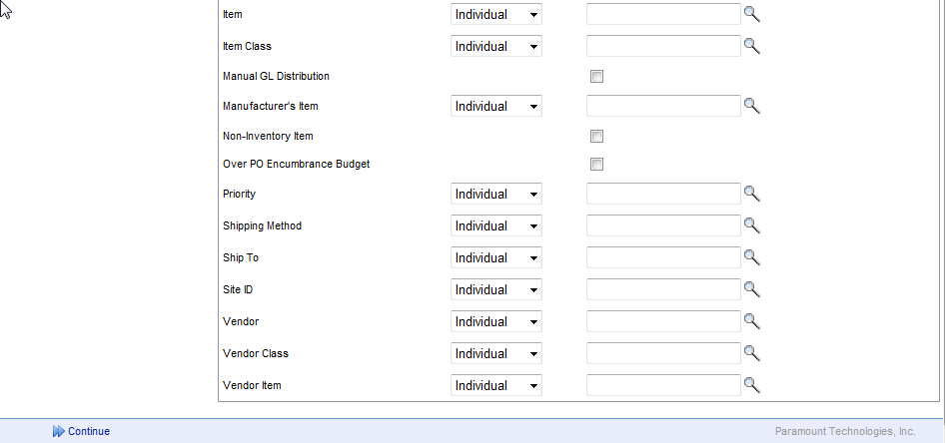
This document is intended to provide general examples [shown below] and guidelines for the purposes of data gathering required for the WorkPlace application setup and to illustrate the differences between the major setup options for Approval routing - Sequential vs. Hierarchal and Header (Transaction Total $) vs. Detail (Transaction Line $) within the WorkPlace Application. The representations here may or may not include actual positions/titles or approval levels/dollar amounts within your organization.
This document is NOT intended to replace formal training by a certified consultant nor to provide detailed instruction on the actual setup and configuration of approval lists, non-financial lists or routing rules within WorkPlace.

The Basics of Possible Routing for Approval in WorkPlace - What you need to decide first:
Department by Header |  | Minimum Required Setup | if YES, Additional Setup Required
 | This is a System Wide setting (global to all WorkPlace users); if selected, it forces all requisitions to be routed in entirety, based on the user's home department. This marks the department at the Requisition Header level as read-only and disables the ability to select from user-available departments at the line level. If you will have requesters who can/do requests on behalf of multiple departments - only one requisition per department will be allowed. | System, Departments
Identify Entry Users
 | Who are the users that will be setup in WorkPlace for transaction entry | Departments Security | Non Financial List(s), User Defined Field Templates
 | Are there Users that will be allowed to enter against multiple departments
Identify Approvers
 | Who are the Approvers? | Departments Security Approval Lists
 | Should approvers be allowed to edit the transactions that come to them for approval?
 | Are there Approvers who will also enter and submit transactions?
 | Who will be assigned as Alternate for Primary Approver(s) when they are out of the office (vacation, etc.)
Dollar Amount Routing (Financial) by Header or Detail
 | Header Dollar Amount means the Total $ Amount of all lines of the document. NOTE: Routing documents through approval with Department by Header or by Total Document $ disables the ability for approvers to approve or disapprove at the line level. | Departments Security Approval Lists Routing Rules
Do ANY Non-Financial Rules (criteria) apply for Approval Routing?
 | How do I know if I have non-financial critera? Do you have the need to route lines to a given approver for any reason other than strictly the dollar amount; common examples include, Software and/or Hardware items that would need to be routed to an IT Approval or Capital Items that need to be routed to the Controller or CFO.
 | In WorkPlace Non-financial routing means ANY criteria other than strictly Dollar amounts regardless of routing by Header Amount or Detail Amount. ALL non-financial routing is at the detail or line level (with the exception of Department). Header and Detail criteria cannot be configured within the same filter; however Header and detail criteria can be configured within a given Routing rule. Detail criteria and routing will ALWAYS follow Header criteria. The available routing with WorkPlace varies on your ERP and WorkPlace Modules Purchased. | Departments Security Approval Lists Routing Rules | Non Financial List(s)

Filter Templates
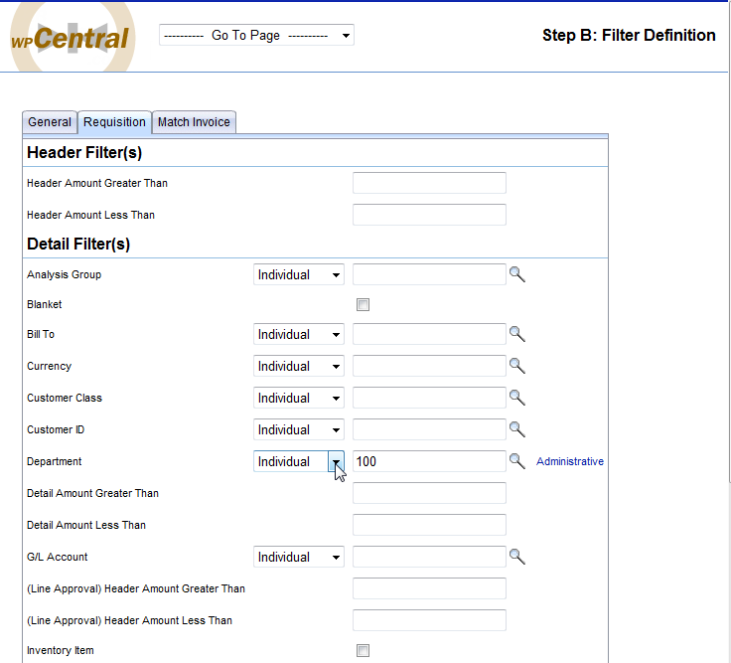
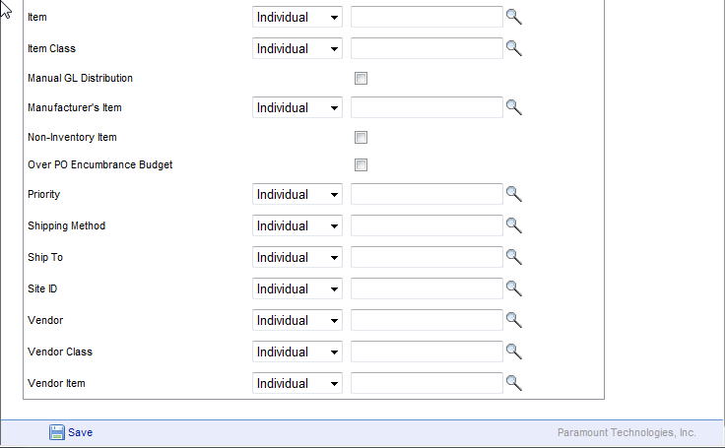
Filter Templates
Not all fields will necessarily apply when establishing filters for Review (PO Creation) and/or Receiving against the PO. These Filter templates are used to create a Restriction on the Load of Records into a Review or Receiving Session -- which records a given user with Review rights) can load and process into a PO (Buyer) or which records a given user with Receiving rights can load and process the receipt for . More than One Filter can be created and applied to a Filter Template but only One Filter can be associated with a user in WorkPlace Security. NOTE: filter Templates apply to a User in WorkPlace Security, who has been given security "access" to the review session or receiving session.

Filter ID | (Up to 20 AlphaNumeric Characters)
Description | (Up to 60 AlphaNumeric Characters)

Each Field on Each tab can be defined as a single value (individual), "IN" list " OR "NOT IN LIST non-financial list, created in WorkPlace) and is based on the modules/GP configuration and intended WorkPlace Use - this feature will be covered in detail as part of the onsite training.

